Sheet1
limit_balance | sex | education_level | marital_status | age | pay_1 | pay_2 | pay_3 | pay_4 | pay_5 | pay_6 | bill_amt_1 | bill_amt_2 | bill_amt_3 | bill_amt_4 | bill_amt_5 | bill_amt_6 | pay_amt_1 | pay_amt_2 | pay_amt_3 | pay_amt_4 | pay_amt_5 | pay_amt_6 | default_payment_next_month
 |  |  |  |  |  |  |  |  |  |  | September | August | July | June | May | April | September | August | July | June | May | April
80000 | 1 | 6 | 1 | 54 | 0 | 0 | 0 | 0 | 0 | 0 | 61454 | 61808 | 62290 | 29296 | 26210 | 17643 | 2545 | 2208 | + | 2232 | 542 | 348 | 1
200000 | 1 | 4 | 1 | 49 | 0 | 0 | 0 | 0 | 0 | 0 | 49221 | 49599 | 50942 | 50146 | 50235 | 48984 | 1689 | 2164 | 2500 | 3480 | 2500 | 3000 | 0
20000 | 2 | 6 | 2 | 22 | 0 | 0 | 0 | 0 | 0 | 0 | 19568 | 19420 | 15535 | 1434 | 500 | 0 | 4641 | 1019 | 900 | 0 | 1500 | 0 | 1
260000 | 2 | 4 | 2 | 33 | 0 | 0 | 0 | 0 | 0 | 0 | 18457 | 22815 | 27086 | 27821 | 30767 | 29890 | 5000 | 5000 | 1137 | 5000 | 1085 | 5000 | 0
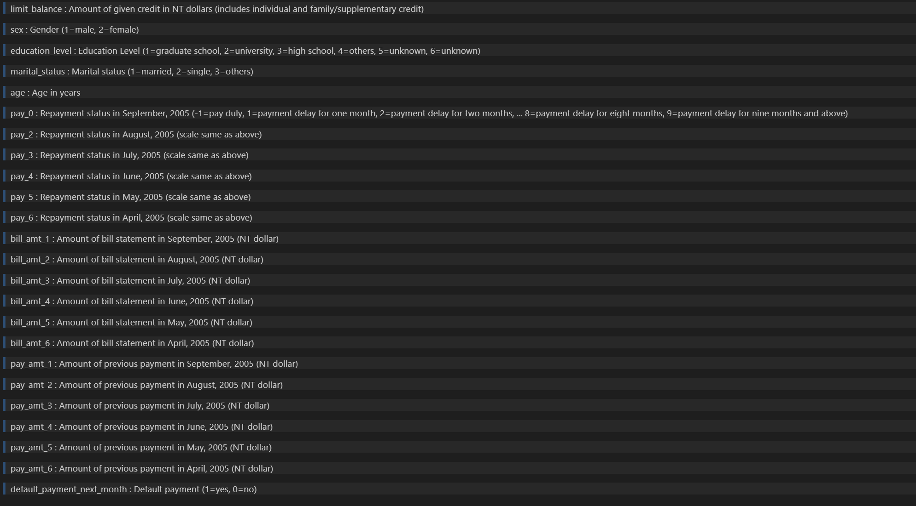
150000 | 1 | 4 | 2 | 32 | 0 | 0 | 0 | -1 | 0 | 0 | 159919 | 68686 | 161192 | 150464 | 143375 | 146411 | 4019 | 146896 | 157436 | 4600 | 4709 | 5600 | 0
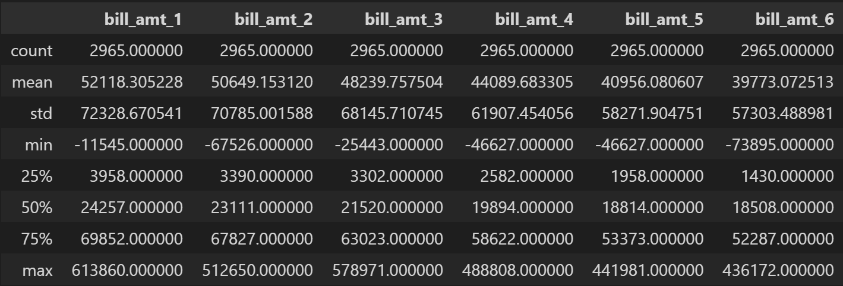
 |  |  |  |  |  |  |  |  |  |  |  |  |  |  |  |  | Bill Amount | Minimum Amount | # Bisa membayar diatas nilai minimum
 |  |  |  |  |  |  |  |  |  |  |  |  |  |  |  |  |  | Salvage Amount | Kalau dibayar > enggak kena bunga
 |  |  |  |  |  |  |  |  |  |  |  |  |  |  |  |  |  |  | Kalau enggak dibayar > dicharge ke bulan berikutnya

 |  |  |  |  |  |  |  |  |  |  |  |  |  |  |  |  |  | Cetak Tagihan | Waktu Jatuh Tempo Pembayaran |  |  | Bayar Penuh
 |  |  |  |  |  |  |  |  |  |  |  |  |  |  |  |  |  |  |  |  |  | Bayar Cicilan
 |  |  |  |  |  |  |  |  |  |  |  |  |  |  |  |  |  | Jatuh Tempo | Cetak Tagihan + 14 Hari |  |  |  | Minimum Payment yang terhitung sudah membayar

 |  |  |  |  |  |  |  |  |  |  |  |  |  |  |  |  | Nilai sisa dari Paid-Bill, carried forward for the next month's billing

 |  |  |  |  |  |  |  |  |  |  |  |  |  |  |  |  | Utilization Rate : Bill Amount / Credit Limit

